Hiearchy View
CLASS: AIR CURTAIN
An air door or air curtain is a device used to prevent air, contaminants, or flying insects from moving from one open space to another. | 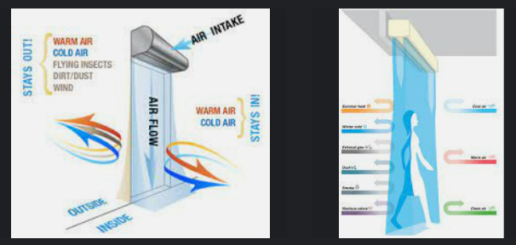
REMOVE | N

PROBLEM_DESC | CAUSE_DESC | REMEDY_DESC
ALARM/SENSOR
BROKEN/DAMAGED
LEAKING
LIGHTING
NOISE
OTHER PROBLEM
OVERHEATING
PESTS
POWER-ELEC
PRESSURE
SMELL
STOPPED/SLOWED/POOR OPS
TEMP-CTRL
VIBRATION
Grand Total

